Home
1

 |  | Excel data tables - Sustainability Report 2024

 | This excel file is a complementary document for the 2024 Improving Lives Report of The AES Corporation.

ABOUT AES
PEOPLE
ACCOUNTABILITY
PLANET

About this document
SASB Index
GRI Index
Assurance Statement

About this document
Summary
Excel data tables - Sustainability Report 2024
This excel file is a complementary document for the Improving Lives Report 2024 of The AES Corporation.
About this document

Go to Home

Publication date: June 2024

The AES Corporation Sustainability Report is issued on an annual basis. The 2024 Sustainability Report covers January 1 to December 31, 2024. The report has been prepared using GRI Standards (Universal Standards, Topic Standards related to the company's materiality and includes Electric Utility Sector Disclosures) and SASB Standards (Electric Utilities & Power Generators sector indicators). This excel file is a complementary document for the 2024 Improving Lives Report of The AES Corporation and is intended to provide quantitative data - with a few exceptions. More qualitative information can be found on the 2024 Improving Lives Report, which we recommend reading for full understanding of the year of The AES Corporation in terms of our sustainability impact framework: People, Planet and Accountability. All the data covers all businesses where AES has operational control; exceptions signaled.

External Assurance AES used the services of Lloyd’s Register Quality Assurance Inc. (LRQA) to verify and conduct a limited assurance since 2013 of AES businesses in the following data: • Scope 1, 2 & 3 and other Air Emissions Data • Water withdrawal and discharge data • Waste data • Generation in MWh • Lost time incidents and fatality rate • Energy use
The Assurance Statement can be found in Assurance Statement tab.
For transparency and clearer purposes, all verified data in this document contains the ☆ symbol.

Where to find more information about The AES Corporation:
2024 Improving Lives Report
AES Website - Sustainability Section
AES Website - Investor Relations Section
Annual Report 2024
2025 Proxy Statement
AES Code of Conduct

Forward-looking statements / disclaimer
This report was published June, 2025 and contains forward-looking statements within the meaning of the Securities Act of 1933 and of the Securities Exchange Act of 1934. Such forward-looking statements include, but are not limited to, those related to future energy demand, future power prices, the availability and cost of natural gas, the growth of solar and other renewable forms of electricity generation and energy storage, future carbon taxes or regulations, potential rates of reduction in coalfired electricity generation, the expected operating life of existing coal-fired electricity generation plants, the level of energy efficiency investments, emissions or other targets, the impact of demand-side management and AES’ corporate strategy,. Forward-looking statements are not intended to be a guarantee of future results but instead constitute AES’ current expectations based on reasonable assumptions. These assumptions include, but are not limited to, normal levels of operating performance and electricity volume at our distribution companies and operational performance at our generation businesses consistent with historical levels, as well as achievements of planned productivity improvements and execution of AES’ corporate strategy. Actual results could differ materially from those projected in our forward-looking statements due to risks, uncertainties and other factors. Important factors that could affect actual results are discussed in AES’ filings with the Securities and Exchange Commission (SEC), including, but not limited to, the risks discussed under Item 1A “Risk Factors” and Item 7 “Management’s Discussion & Analysis” in AES’ 2024 Annual Report on Form 10-K and in subsequent reports filed with the SEC. Readers are encouraged to read AES’ filings to learn more about the risk factors associated with AES’ business. AES undertakes no obligation to update or revise any forward-looking statements, whether as a result of new information, future events or otherwise.

About AES
Index
Excel data tables - Sustainability Report 2024
This excel file is a complementary document for the Improving Lives Report 2024 of The AES Corporation.
About AES | Index
-

Go to Home

 | Chapter | Table | Tags
 | Electricity Generation | Table 1 - Number and percentage of gross energy generated by region | GRI EU2 / SASB IF-EU-000.D
 |  | Table 2 - Number and percentage of gross energy generated by primary energy source | GRI EU2 / SASB IF-EU-000.D
 | Installed Capacity | Table 1 - Installed capacity by country (MW) | GRI EU1
 |  | Table 2 - Installed capacity by primary energy source (MW) | GRI EU1
 |  | Table 3 - Installed capacity by SBU and primary energy source (MW) | -
 |  | Table 4 - Capacity under construction at the end of 2024 | GRI EU10
 | Operations | Table 1 - System average interruption duration index (SAIDI) and System average interruption frequency index (SAIFI) for distribution by business | GRI EU28 / GRI EU29 / SASB IF-EU-550a.2
 |  | Table 2 - System average interruption duration index (SAIDI) for transmission | GRI EU28 / GRI EU29
 |  | Table 3 - Average plant availability factor by energy source (%) | GRI EU30
 |  | Table 4 - Generation efficiency of thermal plants (BTU/kWh) | GRI EU11
 |  | Table 5 - Transmission and distribution losses (%) | GRI EU12
 |  | Table 6 - Smart grid related indicators | SASB IF-EU-420a.2
 |  | Table 7 - Gas leakage rate for distribution, transportation and storage | -
 |  | Table 8 - Total wholesale electricity purchased from third-parties and sold (GWh) | SASB IF-EU-000.E
 |  | Table 9 - Length of above and underground lines by business (km) | GRI EU4 / SASB IF-EU-000.C
 |  | Table 10 - Assets certified by a management program (%) | -
 | Customers | Table 1 - AES consolidated customer satisfaction for distribution businesses | -
 |  | Table 2 - Total electricity delivered to residential, commercial, industrial, all other retail customers and wholesale customers by business (MWh) | SASB IF-EU-000.B
 |  | Table 3 - Number of residential, industrial and commercial customer accounts by business | GRI EU3 / SASB IF-EU-000.A
 |  | Table 4 - Average retail electric rate for residential, commercial and industrial customers by business (US$/kWh) | SASB IF-EU-240a.1
 |  | Table 5 - Customer electricity savings from efficiency measures by business (MWh) | SASB IF-EU-420a.3
 |  | Table 6 - Number of residential customer electric disconnections for non-payment and percentage reconnected within 30 days by business | SASB IF-EU-240a.3
 | Stakeholders | Table 1 - Stakeholder engagement | GRI 2-29

Electricity Generation
Excel data tables - Sustainability Report 2024
This excel file is a complementary document for the Improving Lives Report 2024 of The AES Corporation.
The☆symbol indicates that the data has received a third-party assurance.
About AES | Electricity Generation
Go to Home
-

 | Table 1 - Number and percentage of gross energy generated by region
 | Region * | 2021 |  |  |  | 2022 |  |  |  | 2023 |  |  |  | 2024 |  |  |  | Tags
 |  | Full basis |  | Equity basis |  | Full basis |  | Equity basis |  | Full basis |  | Equity basis |  | Full basis |  | Equity basis
 |  | MWh | % | MWh | % | MWh | % | MWh | % | MWh | % | MWh | % | MWh | % | MWh | %
 | Eurasia | 15,210,414.65 | 13.959161114 | 9,339,043 | 12.581259314 | 15,006,826 | 14.187812799 | 9,390,077 | 12.1 | 14,059,218 | 13.359582033 | 7,994,964 | 11.0 | 12,753,163 | 19.7 | 6,986,902 | 10.7 | GRI EU2 / SASB IF-EU-000.D
 | MCAC | 15,758,167.52 | 14.461854218 | 12,855,245 | 17.31817327 | 19,145,120 | 18.100255082 | 16,202,562 | 20.8 | 15,423,916 | 14.656367877 | 12,436,833 | 17.2 | 19,100,151 | 29.5 | 14,322,903 | 21.9
 | South America | 42,947,327.20 | 39.414353493 | 26,608,617 | 35.846273902 | 37,401,552 | 35.36032324 | 28,791,840 | 37.0 | 41,145,206 | 39.09767633 | 29,362,345 | 40.5 | 32,944,183 | 50.8 | 23,725,144 | 36.2
 | United States | 35,047,763.49 | 32.164631175 | 25,426,893 | 34.254293514 | 34,219,155 | 32.351608879 | 23,459,467 | 30.1 | 34,608,620 | 32.886373761 | 22,710,058 | 31.3 |  | 0.0 | 20,494,000 | 31.3
 | Total | 108,963,673 |  | 74,229,798 |  | 105,772,653 | - | 77,843,946 | - | 105,236,960 |  | 72,504,200 |  | 64,797,497 |  | 65,528,949

 | Table 2 - Number and percentage of gross energy generated by primary energy source1
 | Primary energy source | 2021 |  |  |  | 2022 |  |  |  | 2023 |  |  |  | 2024 |  |  |  | Tags
 |  | Full basis |  | Equity basis |  | Full basis |  | Equity basis |  | Full basis |  | Equity basis |  | Full basis |  | Equity basis
 |  | MWh | % | MWh | % | MWh | % | MWh | % | MWh | % | MWh | % | MWh | % | MWh | %
 | Coal (includes Anthracite & Lignite) | 44,937,417 | 41.2 | 31,111,059 | 41.9 | 36,627,337 | 34.6 | 29,060,880 | 37.3 | 29,577,128 | 28.1 | 22,503,563 | 31.0 | 25,570,219 | 26.4 | 19,244,191 | 29.4 | GRI EU2 / SASB IF-EU-000.D
 | Pet Coke | 4,030,323 | 3.7 | 3,990,020 | 5.4 | 3,883,646 | 3.7 | 3,844,811 | 4.9 | 3,224,492 | 3.1 | 3,192,247 | 4.4 | 2,155,611 | 2.2 | 2,134,054 | 3.3
 | Gas | 29,589,257 | 27.2 | 21,090,357 | 28.4 | 31,771,201 | 30.0 | 23,394,352 | 30.1 | 32,094,931 | 30.5 | 22,310,888 | 30.8 | 29,916,819 | 30.8 | 19,311,301 | 29.5
 | Oil (Diesel & Residual) | - |  | - |  | - |  | - |  | - | - | - | - |  | - | - | -
 | Hydro | 16,248,373 | 14.9 | 9,820,050 | 13.2 | 17,850,754 | 16.9 | 12,630,564 | 16.2 | 21,520,878 | 20.4 | 14,376,908 | 19.8 | 15,860,253 | 16.3 | 11,156,961 | 17.0
 | Wind | 8,634,709 | 7.9 | 5,718,910 | 7.7 | 8,743,257 | 8.3 | 5,481,614 | 7.0 | 11,103,228 | 10.6 | 6,580,095 | 9.1 | 13,537,528 | 14.0 | 8,013,480 | 12.2
 | Solar | 5,433,635 | 5.0 | 2,431,845 | 3.3 | 6,804,349 | 6.4 | 3,340,331 | 4.3 | 7,624,492 | 7.2 | 3,449,297 | 4.8 | 9,966,612 | 10.3 | 5,635,452 | 8.6
 | Biomass | 67,880 | 0.1 | 45,480 | 0.06 | 71,476 | 0.07 | 70,761 | 0.09 | 60,888 | 0.1 | 60,279 | 0.08 | 6,220 | 0.01 | 6,158 | 0.01
 | Landfill Gas | 22,079 | 0.0 | 22,079 | 0.03 | 20,633 | 0.02 | 20,633 | 0.03 | 30,923 | 0.0 | 30,923 | 0.04 | 27,351 | 0.03 | 27,351 | 0.04
 | Total | 108,963,673 |  | 74,229,800 |  | 105,772,653 | - | 77,843,946 | - | 105,236,960 |  | 72,504,200 |  | 97,040,613 |  | 65,528,949

 | Additional information Methodology: Generation data excludes OVEC (an electric generating company). AES Ohio only owns a 4.9% equity ownership in OVEC without operational control. OVEC has two plants in Cheshire, Ohio and Madison, Indiana with a combined generation capacity of approximately 2,109 MW. AES Ohio’s share of this generation is approximately 103 MW. 1 Coal, Gas and Biomass generation includes steam water generation. * Countries under each region: Eurasia: Bulgaria, Jordan, Netherlands, Vietnam and India (only for 2021-2022 as we no longer have operations in the country) MCAC: Mexico, El Salvador, Panamá and Dominican Republic South America: Argentina, Chile, Colombia and Brazil United States: includes Puerto Rico

Installed Capacity
Excel data tables - Sustainability Report 2024
This excel file is a complementary document for the Improving Lives Report 2024 of The AES Corporation.
About AES | Installed Capacity

The☆symbol indicates that the data has received a third-party assurance.
Go to Home

Table 1 - Installed capacity by country (MW)
Country | 2021 |  | 2022 |  | 2023 |  | 2024 |  | Tags
 | Full basis | Equity basis | Full basis | Equity basis | Full basis | Equity basis | Full basis | Equity basis
Argentina | 4,220 | 3,433 | 4,220 | 3,638 | 4,220 | 3,638 | 4,220 | 3,641 | GRI EU1
Brazil | 3,685 | 1,669 | 4,240 | 1,915 | 5,067 | 2,224 | 0 | 0
Bulgaria | 846 | 829 | 846 | 829 | 846 | 829 | 846 | 829
Chile | 3,439 | 2,087 | 3,361 | 2,947 | 3,752 | 3,271 | 3,579 | 2,634
Colombia | 1,102 | 738 | 1,129 | 1,120 | 1,129 | 1,120 | 1,129 | 1,123
Dominican Republic | 747 | 636 | 847 | 722 | 847 | 553 | 947 | 618
El Salvador | 123 | 73 | 123 | 68 | 143 | 88 | 143 | 88
...

Operations
Excel data tables - Sustainability Report 2024
This excel file is a complementary document for the Improving Lives Report 2024 of The AES Corporation.
About AES | Operations

The☆symbol indicates that the data has received a third-party assurance.
Go to Home

Table 1 - System average interruption duration index (SAIDI) and System average interruption frequency index (SAIFI) for distribution by business1
Business | Indicator | 2021 | 2022 | 2023 | 2024 | Tags
AES El Salvador | SAIDI (hours) | 13.24 | 13.70 | 12.85 | 12.35 | GRI EU28 / GRI EU29 / SASB IF-EU-550a.2
 | SAIFI | 3.51 | 3.95 | 4.40 | 4.10
AES Ohio | SAIDI (hours) | 1.56 | 1.66 | 1.35 | 2.04
 | SAIFI | 1.32 | 0.81 | 0.66 | 0.99
AES Indiana | SAIDI (hours) | 1.68 | 1.87 | 1.45 | 1.46
 | SAIFI | 0.75 | 1.37 | 1.02 | 1.07
Total | SAIDI | 2.24 | 2.56 | 2.31 | 2.86
 | SAIFI | 1.31 | 1.53 | 1.44 | 1.56
...

Customers
Excel data tables - Sustainability Report 2024
This excel file is a complementary document for the Improving Lives Report 2024 of The AES
Corporation.
About AES | Customer

The☆symbol indicates that the data has received a third-party assurance.
Go to Home

Table 1 - AES consolidated customer satisfaction for distribution businesses1
Indicator |  | 2021 | 2022 | 2023 | 2024
Customer Satisfaction (%) |  | 87.6% | 85.2% | 76.2% | 63.9%

Table 2 - Total electricity delivered to residential, commercial, industrial, all other retail customers and wholesale customers by business (MWh)
Business | Type of customer | 2021 | 2022 | 2023 | 2024 | Tags
AES Indiana | Residential customers | 5,172,106.00 | 5,305,055.00 | 4,799,796.00 | 5,048,596.00 | SASB IF-EU-000.B
 | Commercial customers | 1,773,595.00 | 1,823,103.00 | 1,721,964.00 | 1,774,775.00
 | Industrial customers | 6,004,315.00 | 6,091,933.00 | 5,930,409.00 | 6,010,541.00
 | All other retail customers | 20,860.00 | 17,981.00 | 19,213.00 | 38,899.00
...

Stakeholders
Excel data tables - Sustainability Report 2024
This excel file is a complementary document for the Improving Lives Report 2024 of The AES Corporation.
About AES | Stakeholders

The☆symbol indicates that the data has received a third-party assurance.
Go to Home

Table 1 - Stakeholder engagement
Stakeholder | How we engage with them | Key issues | How issues are addressed | Tags
Our People | Our people play a pivotal role in the success of AES. They are the driving force behind the execution of AES’ strategy and the achievement of goals. Because of that, engaging with them is critical to our business success and our employees expect open discussions about workplace safety, AES goals and priorities, career opportunities, job satisfaction, diversity and inclusion, and benefits via: • Company intranet • Multi-lingual update communications from company executives • Internal online forums and electronic newsletters • Employee Helpline • Global live broadcast sessions • Yearly performance reviews • Online courses, classroom training and college degree programs • Leadership and employee development opportunities • Employee surveys • Our annual Sustainability Report • Corporate and local market websites and social media channels • Global celebrations to recognize milestones and celebrate AES culture | • Workplace safety • Career opportunities • Job stability • Diversity and inclusion • Compensation and benefits • Company strategy and leadership • Positive corporate image | • Promote two-way communications • Increase feedback mechanisms • Increase involvement in company-related activities • Training resources made available through Workday Learning • Diversity, Equity, and Inclusion Intranet • Calendar of Events • Employee Resource Groups • Company-wide calls with Senior Leaders and special subject matter expert guests | GRI 2-29
Customers | We are invested in understanding our customers' perspectives and in addressing their needs to partner and co-create solutions to accelerate the future of energy together, via: • Creation of innovative and customized, tailored energy and energy management solutions • Wholesale and retail power and gas market participation • Customer NPS, satisfaction, internet-based and feedback surveys • Publications, reports and email communications, including newsletters • Market-focused commercial customer relation leaders • Understanding of customer needs to provide tailored all of the above energy solutions through a diverse portfolio of offerings • Traditional and social media • Participation in and sponsorship of public events and conferences • Co-marketing efforts • Host customer forums and events in person and virtually • Conduct training and webinars for customers • Provide updates on key areas, including trends, regulatory frameworks, market information, technologies and innovation • Bi-lateral meetings with customers • Site visits to operational locations and projects • Inclusion in pilot programs of new solutions and offerings • Customer call centers to answer inquiries • Energy efficiency and demand response programs • Residential customer education programs • Commitment to the UN Sustainable Development Goals | • Changing market dynamics and emerging customer needs • Looking for an advisor to navigate their energy needs today and for the future • Achieving sustainability goals and targets in a timely way • Ensuring local knowledge of the energy market, technology trends and other relevant information • Accessing global innovation with local support • Deploying scalable energy solutions • Managing energy use with new technologies and platforms • Meeting increasing energy demands • Ensuring reliable access to energy to power their businesses • Lowering and stabilizing energy costs • Using cleaner energy sources, including renewables • Smarter, more efficient energy use • Safety | • Gain deep understanding of the markets in which we operate and customer segments we are serving • Credible recommendations from industry and process knowledge • Directly engage with customers to co-create, innovate and architect tailored energy solutions to meet specific customer needs • Innovate advancements that address industry and customer needs • Deploy reliable energy solutions, including an all of the above mix, for commercial customers • Provide risk management services for wholesale and retail customers • Optimize the value of energy assets and balance cost savings and risk • Conduct energy-efficiency audits, and provide incentives for numerous energy efficiency measures • Send market, industry trends, technology and company information directly to customers • Provide information and energy management tools via our websites • Develop peak demand management programs and digital solutions
Communities | We partner with communities to strengthen positive impact through socioeconomic and environmental partnerships that improve lives today and in the future. We invest in and ensure consistent dialogue with the communities where we conduct business via: • Periodic community meetings in communities surrounding our facilities • Community needs assessments • Career fairs • Social impact programs and partnerships • Employee volunteerism • Emergency response initiatives • Participation in community events • Hiring locally • Communications through websites, social media, traditional media, and direct correspondence • Ethics hotline & community grievance mechanisms • Conferences & global & local forums • Our annual sustainability report | • Employment of local talent • Economic and business development in local community • Infrastructure • Environmental performance and policies • Job creation • Safety • Skilled workforce development • Social benefits • Reliable and affordable electricity | • Updates on key issues and projects and feedback mechanisms on website and through other channels • Focus groups and community panels • Skilled workforce development programs with industry and labor stakeholders at community educational locations • Sustainable social impact programs • Education on safe, adequate, and efficient use of energy • Volunteer activities • Emergency relief efforts | GRI 2-29
Government and regulators | We regularly communicate with local, state, and federal government officials in the countries where we operate to inform and co-create high-value energy solutions based on current and future needs, resources and regulations to help customers and whole economies achieve their energy goals reliably and sustainably. We work to build meaningful engagement opportunities including: • Meetings with regulators and elected officials where our businesses are located • Participate actively in energy forums • Tours of our facilities • Emergency planning exercises with local/state agencies • Policy white papers, testimonies, and briefings • Regulatory proceedings and rate cases • FERC and NERC reporting • Reporting in compliance with national and local requirements across the globe • Ethics hotline & community grievance mechanisms • Corporate and local market websites and social media channels | • Responsible energy transition • Reliability, resilience, security, affordability, and sustainability of electricity supply • Energy market structure and regulation • Job creation • Environmental compliance • Policies and regulations • Financial/OTC derivatives • Safety • Diverse and balanced energy matrix • Technology innovations and system integration • Importance to be able to accelerate deployment of project | • Provide information on AES expertise, innovative technologies, and performance reports via our websites • Investment in new technologies to keep long-term electricity supply reliable, affordable, and cleaner • Engage in discussions with governments, think tanks, partners and industry groups • Engage on environmental performance and policy • Engage directly on financial reform legislation, GHG policy, Clean Energy Standard, and federal loan guarantees
Investors, Shareholders and Financial Partners | We regularly communicate with our investors regarding our business strategy and plan, risk management, financial returns, growth, and governance via: • Quarterly earnings presentations • Investor relations website • Investor calls • Investor and public forum events such as the Annual Shareholder Meeting and Investor Days • Annual, quarterly and current corporate reports • Proxy communications • Traditional and social media • Regulatory filings & our annual sustainability report • Conferences & global forums | • Strategy and growth plans • Financial performance and liquidity • Company management • Return on investment • Capital allocation • Shareholder returns, including dividends • Risk management • Environmental, Social and Governance performance | • Provide information, presentations, and reports via our websites • One-on-One conversations and roadshows • Healthy balance sheet and sufficient liquidity • Timely information on key issues | GRI 2-29
Suppliers | We promote suppliers’ success through clear policies, procedures, terms and conditions which are shared upon the start of any engagement and made available through digital and printed material at our sites. It is important to ensure our suppliers are aligned with our values and standards. We hold our suppliers and contractors to the same high ethical standards we hold ourselves to. | • Innovative, reliable, and cost-effective solutions • Consistency with our policies, code of ethics and vision· | • Provide information for prospective and current suppliers via our websites • Direct contact between vendors and AES supply chain buyers and sourcing specialists • Centralized management of key supply chain categories such as fuel sourcing • Supplier performance evaluation • Published policies and guidelines such as safety requirements and environmental guiding principles • Developed and communicated Supplier Code of Conduct to existing and prospective suppliers • Supplier registration and on-boarding​
Civil Society and Industry Observers | We engage in dialogue with NGOs and other industry observers: • Industry organizations, conferences, and direct dialogue • Participation in advisory councils, business alliances of NGOs • Collaboration with NGOs in facilitating policy-making dialogues • Traditional and social media • Periodic meetings • Our annual sustainability report • Ethics hotline & community grievance mechanisms | • Employment • Business development • Infrastructure • Trends in the sector • Environmental performance and policies Job creation • Safety • Skilled workforce development • Community engagement | • Engage in many NGO-sponsored dialogues on energy and environmental policy topics, including GHG policy, Clean Energy Standard, and renewable energy incentives • Participate in events as expert in the field to discuss trends in the sector • Sharing information through websites, social media, traditional media, and direct correspondence • Collabroate on resources that promote best practices for clean energy sector
Media | • Direct engagement • Press releases and news advisories • Investor calls • Our annual sustainability report • Conferences & global forums • Media monitoring • Crisis communications | • Dissemination of strategic information • Trends in the energy sector • Image and reputation • Transparency with stakeholders • AES brand • Rapid news cycle • Dissemination of misinformation | • Provide information through Interviews and one on one meetings • Visits to our offices and projects • Sharing information through websites, social media, traditional media, and direct correspondence • Delivering consistent messaging • Responding in a timely manner to news inquiries

People
Index
Excel data tables - Sustainability Report 2024
This excel file is a complementary document for the Improving Lives Report 2024 of The AES Corporation.
People | Index

Go to Home

Chapter | Table | Tags
Our People | Table 1 - Number of employees | GRI 2-8 / FTSE SLS25
 | Table 2 - Number of employees by region | GRI 2-7
 | Table 3 - Number and proportion of employees by gender | GRI 2-7 / FTSE SLS33
 | Table 4 - Percentage of women in management positions (%) | -
 | Table 5 - Total number of employees per employee category | -
 | Table 6 - Share in total workforce by ethnicity/race - US only (%) | -
 | Table 7 - Percentage of global staff with disabilities | FTSE SLS32
 | Table 8 - Total number of employees per employee category, age and gender | GRI 405-1
Talent Management | Table 1 - Total number and rate of new employee hires by age group, gender and region | GRI 401-1
...

Our People
Excel data tables - Sustainability Report 2024
This excel file is a complementary document for the Improving Lives Report 2024 of The AES Corporation.
People | Our People

The☆symbol indicates that the data has received a third-party assurance.
Go to Home

Table 1 - Number of employees1
Indicator | 2021 | 2022 | 2023 | 2024 | Tags
Number of AES People | 8,559 | 9,061 | 9,609 | 9,100 | GRI 2-8 / FTSE SLS25
Number of contractors | 16,065 | 16,836 | 21,254 | 18,391
Percentage of employees that are contractors | 65% | 65% | 69% | 67%

Table 2 - Number of employees by region
Region * | 2021 | 2022 | 2023 | 2024 | Tags
Eurasia | 836 | 847 | 845 | 739 | GRI 2-7
 |  | 1,908 | 1,896 | 1,997
...

Community
Excel data tables - Sustainability Report 2024
This excel file is a complementary document for the Improving Lives Report 2024 of The AES Corporation.
People | Community

The☆symbol indicates that the data has received a third-party assurance.
Go to Home

Table 1 - Social initiatives per areas of focus
Area of focus | # of initiatives | % of investment
Access to Safe, Efficient and Affordable Energy and Basic Services | 50+ | 10%
Inclusive Economic Growth | 240+ | 47%
Community Resilience & Relief Efforts | 150+ | 29%
The Environment | 40+ | 8%
Other | 30+ | 6%

Table 2 - Type of initiative (%)
Type of Initiative | % of initiatives
...

Talent Management
Excel data tables - Sustainability Report 2024
This excel file is a complementary document for the Improving Lives Report 2024 of The AES Corporation.
People | Talent Management

The☆symbol indicates that the data has received a third-party assurance.
Go to Home

Table 1 - Total number and rate of new employee hires by age group, gender and region
Category | Indicator | 2021 |  | 2022 |  | 2023 |  | 2024 |  | Tags
 |  | Number | % | Number | % | Number | % | Number | %
Age group | Under 30 | 497 | 36 | 533 | 33 | 533 | 37 | 478 | 39 | GRI 401-1
 | 30 - 39 | 505 | 36 | 613 | 38 | 520 | 36 | 449 | 36
 | 40 - 49 | 252 | 18 | 309 | 19 | 245 | 17 | 203 | 16
 | 50 - 59 | 99 | 7 | 109 | 7 | 127 | 9 | 82 | 7
 | 60 and over | 43 | 3 | 46 | 3 | 29 | 2 | 23 | 2
Gender | Female | 521 | 37 | 554 | 34 | 541 | 37 | 375 | 30
 | Male | 873 | 63 | 1,055 | 66 | 911 | 63 | 859 | 70
...

Health and Safety
Excel data tables - Sustainability Report 2024
This excel file is a complementary document for the Improving Lives Report 2024 of The AES Corporation.
People | Health and Safety

The☆symbol indicates that the data has received a third-party assurance.
Go to Home

Table 1 - Work related injuries for AES people
Indicator | 2021 | 2022 | 2023 | 2024 | Tags
Fatalities as a result of work-related injury (#) | 0 | 0 | 0 | 0 | GRI 403-9 / SASB IF-EU-320a.1 / FTSE SHS15 / FTSE SHS38
Rate of fatalities as a result of work-related injury | 0.000 | 0.000 | 0.000 | 0.000
Recordable work-related injuries | 80 | 74 | 82 | 97
Total Recordable Incident Rate (TRIR) | 1.003 | 0.924 | 0.959 | 1.016
Total Recordable Incident Frequency Rate (TRIFR) | 5.013 | 4.620 | 4.793 | 5.082
Near miss frequency rate (NMFR) | 2.055 | 3.122 | 2.420 | 2.399
Lost time incident (LTI) rate | 0.075 | 0.150 | 0.117 | 0.094
The number of hours worked | 15,959,314 | 16,015,683 | 17,108,221 | 19,088,706
...

Suppliers
Excel data tables - Sustainability Report 2024
This excel file is a complementary document for the Improving Lives Report 2024 of The AES Corporation.
People | Suppliers

The☆symbol indicates that the data has received a third-party assurance.
Go to Home

Table 1 - Suppliers screening1
Indicator | 2024 | Tags
Total number of Tier-1 suppliers | 800+ | GRI 2-6
Total number of significant suppliers in Tier-1 | 170+
% of total spend on significant suppliers in Tier-1 | 24%
Total number of significant suppliers in non Tier-1 | 0

Table 2 - Suppliers assessment2
Indicator | 2024
Total number of suppliers assessed via desk assessments/on-site assessments | 1,400+
...

Planet
Planet | Index
Index
Excel data tables - Sustainability Report 2024
This excel file is a complementary document for the Improving Lives Report 2024 of The AES Corporation.

Go to Home

Chapter | Table | Tags
Site Management | Table 1 - Environmental management system | FTSE EPR28
 | Table 2 - Links to Environmental Impact Assessments available on third-party websites | -
Emissions | Table 1 - GHG emissions per scope - Equity adjusted (1000 metric tons CO2e) | GRI 305-1 / GRI 305-2 / GRI 305-3 / GRI 305-4
 | Table 2 - Scope 1 GHG emissions by type of source and gas - Equity adjusted (1000 metric tons CO2e) | GRI 305-1 / SASB IF-EU-110a.1
 | Table 3 - Scope 1 biogenic CO2 emissions - Equity adjusted (1000 metric tons CO2e) | GRI 305-1
 | Table 4 - Scope 2 GHG emissions by type of method - Equity adjusted (1000 metric tons of CO2e) | GRI 305-2
 | Table 5 - Scope 3 emissions by category - Equity adjusted (1000 metric tons CO2e) | GRI 305-3 / SASB IF-EU-110a.2
 | Table 6 - Percentage of emissions covered under emissions limiting and reporting regulations | SASB IF-EU-110a.1
 | Table 7 - Other emissions - Equity adjusted (metric tons) | -
...

Site Management
Excel data tables - Sustainability Report 2024
This excel file is a complementary document for the Improving Lives Report 2024 of The AES Corporation.
Planet | Site Management

The☆symbol indicates that the data has received a third-party assurance.
Go to Home

Table 1 - Environmental management system
Indicator | 2021 | 2022 | 2022 | 2024 | Tags
Proportion of assets certified on ISO 14001 (%)1 | 63 | 60 | 61 | 53 | FTSE EPR28

Table 2 - Links to Environmental Impact Assessments available on third-party websites
Major Construction Project / Link | Business
San Matias | Chile
Andes Solar 3 | Chile
Bolero | Chile
Gatun 2 | Panama
...

Emissions
Excel data tables - Sustainability Report 2024
This excel file is a complementary document for the Improving Lives Report 2024 of The AES Corporation.
Planet | Emissions

The☆symbol indicates that the data has received a third-party assurance.
Go to Home

Table 1 - GHG emissions per scope - Equity adjusted (1000 metric tons CO2e) 1
Scope |  | 2021 | 2022 | 2023 | 2024 | Tags
Scope 1 |  | 40,612 | 39,931 | 33,401 | 27,779 | GRI 305-1 / GRI 305-2 / GRI 305-3 / GRI 305-4
Scope 1 intensity (metric tons CO2e/MWh) |  | 0.55 | 0.51 | 0.46 | 0.42
Scope 2 |  | 475 | 479 | 422 | 439
Scope 3 |  | 3,142 | 3,118 | 2,451 | 1,861
Total |  | 44,228.80 | 43,528.18 | 36,323.41 | 30,078.69

Table 2 - Scope 1 GHG emissions by type of source and gas - Equity adjusted (1000 metric tons CO2e)1
Type of source | Gas | 2021 | 2022 | 2023 | 2024 | Tags
...

Water
Excel data tables - Sustainability Report 2024
This excel file is a complementary document for the Improving Lives Report 2024 of The AES Corporation.
Planet | Water

The☆symbol indicates that the data has received a third-party assurance.
Go to Home

Table 1 - Water withdrawal, discharge and consumption - Equity adjusted (million m3)
Indicator |  | 2021 | 2022 | 2023 | 2024 | Tags
Water withdrawal | Freshwater Surface | 854.24 | 742.88 | 571.63 | 474.71 | GRI 303-3 / GRI 303-4 / GRI 303-5 / SASB IF-EU-140a.1
 | Freshwater Municipal | 5.89 | 6.04 | 2.16 | 4.18
 | Freshwater Groundwater | 19.34 | 19.80 | 18.96 | 16.07
 | Seawater | 1,637.16 | 1,989.95 | 2,149.39 | 1,183.30
 | Total | 2,516.63 | 2,758.67 | 2,742.14 | 1,678.26
Water discharge | Surface water | 775.58 | 675.84 | 530.36 | 436.66
 | Third-party water | 0.12 | 0.11 | 0.31 | 1.31
 | Groundwater | 13.07 | 0.78 | 0.81 | 0.96
...

Energy consumption
Excel data tables - Sustainability Report 2024
This excel file is a complementary document for the Improving Lives Report 2024 of The AES Corporation.
Planet | Energy

The☆symbol indicates that the data has received a third-party assurance.
Go to Home

Table 1 - Energy use and intensity 1
Type of energy use | SBU | Type of fuel | 2021 | 2022 | 2023 | 2024 | Tags
Consumption of renewable fuels (MWh) | Utilities | Biomass & Landfill Gas | 228,081 | 93,501 | 114,474 | 25,308 | GRI 302-1 / GRI 302-3
 | Energy Infrastructure |  | 99432.542738 | 198,494 | 331,241 | 123,078
 | Total |  | 327,513 | 291,995 | 445,715 | 148,386
Consumption of non-renewable fuels (MWh) | Utilities | Coal | 18,306,622 | 17,660,004 | 10,382,606 | 7,217,594
 |  | Gas | 5,999,577 | 9,498,451 | 14,382,368 | 16,534,893
 |  | Oil | 4,009 | 0 | 6,195 | 20,080
 | Energy Infrastructure | Coal | 65,034,897 | 60,942,583 | 50,956,209 | 46,122,391
 |  | Petcoke | 11,135,965 | 10,813,978 | 9,089,489 | 6,363,073
...

Biodiversity
Excel data tables - Sustainability Report 2024
This excel file is a complementary document for the Improving Lives Report 2024 of The AES Corporation.
Planet | Biodiversity

The☆symbol indicates that the data has received a third-party assurance.
Go to Home

Table 1 - Biodiversity exposure and assessment
Indicator |  | 2024
Area of operational sites | Number of sites | 95
 | Area (hectares) | 76,551
Sites where biodiversity impact assessments have been conducted | Number of sites | 63
 | Area (hectares) | 75,321
Sites with significant biodiversity impact or are in proximity to critical biodiversity1 | Number of sites | 27
 | Area (hectares) | 57,267
Sites that have a biodiversity management plan2 | Number of sites | 18
 | Area (hectares) | 21,090
...

Waste
Excel data tables - Sustainability Report 2024
This excel file is a complementary document for the Improving Lives Report 2024 of The AES Corporation.
Planet | Waste

The☆symbol indicates that the data has received a third-party assurance.
Go to Home

Table 1 - Total weight of waste generated by composition of the waste (metric tons) - Equity adjusted
Type of waste |  | 2021 |  | 2022 |  | 2023 |  | 2024 |  | Tags
Non-hazardous waste | CCRs (Coal Combustion Residuals) | 4,586,275 |  | 4,756,584 |  | 3,527,275 |  | 2,982,807 |  | GRI 306-3
 | Other non-hazardous waste | 22,756 |  | 32,186 |  | 33,123 |  | 37,900
Hazardous waste |  | 2,711 |  | 1,981 |  | 1,955 |  | 3,112
Total |  | 4,611,742 |  | 4,790,751 |  | 3,562,353 |  | 3,023,819

Table 2 - CCRs (coal combustion residuals) waste by type of disposal (metric tons) - Equity adjusted 1 2
Type of disposal | Type of recovery/disposal operation | 2021 |  | 2022 |  | 2023 |  | 2024 |  | Tags
 |  | Number | % | Number | % | Number | % | Number | %
...

Accountability
Accountability | Ethics and Compliance
Accountability | Index
Index
Excel data tables - Sustainability Report 2024
This excel file is a complementary document for the Improving Lives Report 2024 of The AES Corporation.

Go to Home

Chapter | Table | Tags
Board of Directors | Table 1 - Number of board director by gender, independency and executive/non-executive | GRI 2-9 / GRI 405-1 / FTSE GCG05 / FTSE GCG04 / FTSE GCG03
 | Table 2 - Tenure of board of directors members | GRI 2-9
 | Table 3 - Board of Directors/Committees meetings and attendance | FTSE GCG10 / FTSE GCG11
Cybersecurity | Table 1 - Number of incidents of non-compliance with physical or cybersecurity standards or regulations | SASB IF-EU-550a.1
Ethics and Compliance | Table 1 - Political contribution by recipient | FTSE GAC12
 | Table 2 - Types of report received via AES Helpline (%) | -

Board of Directors
Accountability | Ethics and Compliance
Excel data tables - Sustainability Report 2024
This excel file is a complementary document for the Improving Lives Report 2024 of The AES Corporation.
Accountability | Board of Directors

The☆symbol indicates that the data has received a third-party assurance.
Go to Home

Table 1 - Number of board director by gender, independency and executive/non-executive
Category | Indicator | 2021 | 2022 | 2023 | 2024 | Tags
Gender | Female board directors | 5 | 5 | 5 | 5 | GRI 2-9 / GRI 405-1 / FTSE GCG05 / FTSE GCG04 / FTSE GCG03
 | Male board directors | 6 | 5 | 6 | 6
Age group | Over 50 years old | 11 | 10 | 11 | 11
Independency | Independent board directors | 10 | 9 | 10 | 10
 | Non-independent board directors | 1 | 1 | 1 | 1
Executive/non-executive | Executive board directors | 1 | 1 | 1 | 1
 | Non-executive board directors | 10 | 9 | 10 | 10
Total |  | 11 | 10 | 11 | 11
...

Cybersecurity
Excel data tables - Sustainability Report 2024
This excel file is a complementary document for the Improving Lives Report 2024 of The AES Corporation.
Accountability | Cybersecurity

The☆symbol indicates that the data has received a third-party assurance.
Go to Home

Table 1 - Number of incidents of non-compliance with physical or cybersecurity standards or regulations 1
Indicator | 2021 | 2022 | 2023 | 2024 | Tags
Number of incidents of non-compliance with physical or cybersecurity standards or regulations | 0 | 0 | 0 | 0 | SASB IF-EU-550a.1

Additional information Methodology: 1 The scope of the data are the businesses in the USA that complies with the NERC - Critical Infrastructure Protection Standards.

Ethics and Compliance
Excel data tables - Sustainability Report 2024
This excel file is a complementary document for the Improving Lives Report 2024 of The AES Corporation.
Accountability | Ethics and Compliance

The☆symbol indicates that the data has received a third-party assurance.
Go to Home

Table 1 - Political contribution by recipient
This information is disclosed on Political Contributions 2024 |  | FTSE GAC12

Table 2 - Types of report received via AES Helpline (%)
Type of report | % received in 2024
Total of reports received (#) | 326
Allegations of suspected wrongdoing | 73%
Requests for guidance or information | 27%
Related to human resources | 72%

Assurance Statement
Accountability | Ethics and Compliance
Assurance Statement
GRI Index
Excel data tables - Sustainability Report 2024
This excel file is a complementary document for the Improving Lives Report 2024 of The AES Corporation.

Go to Home

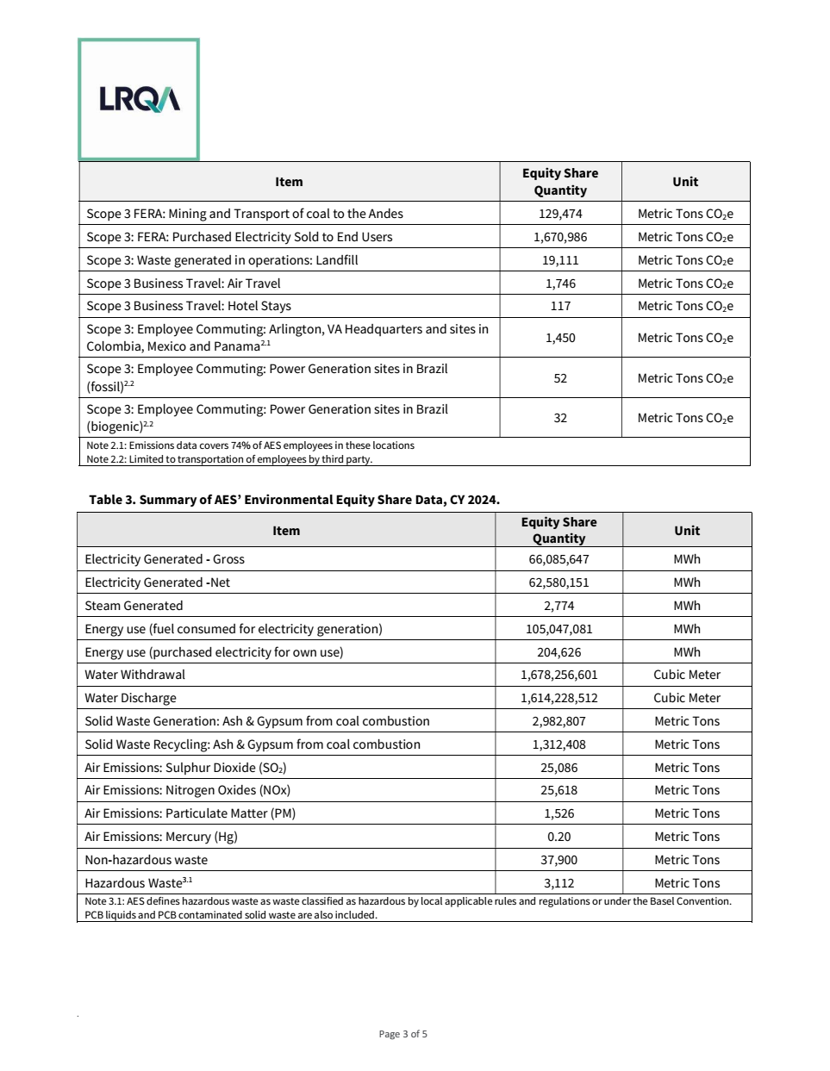
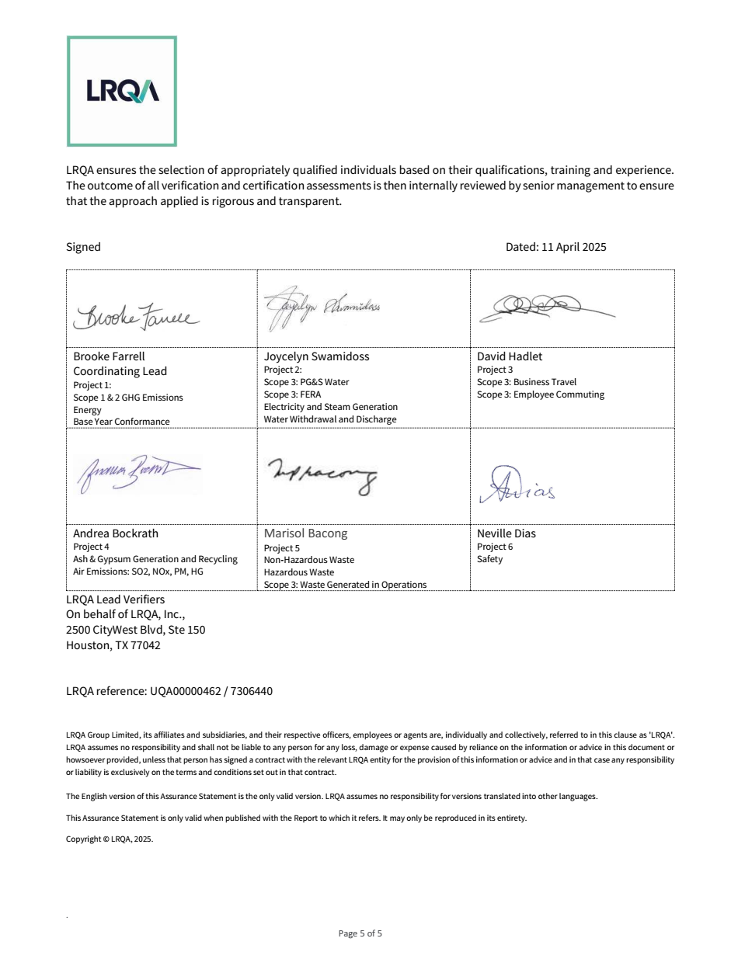
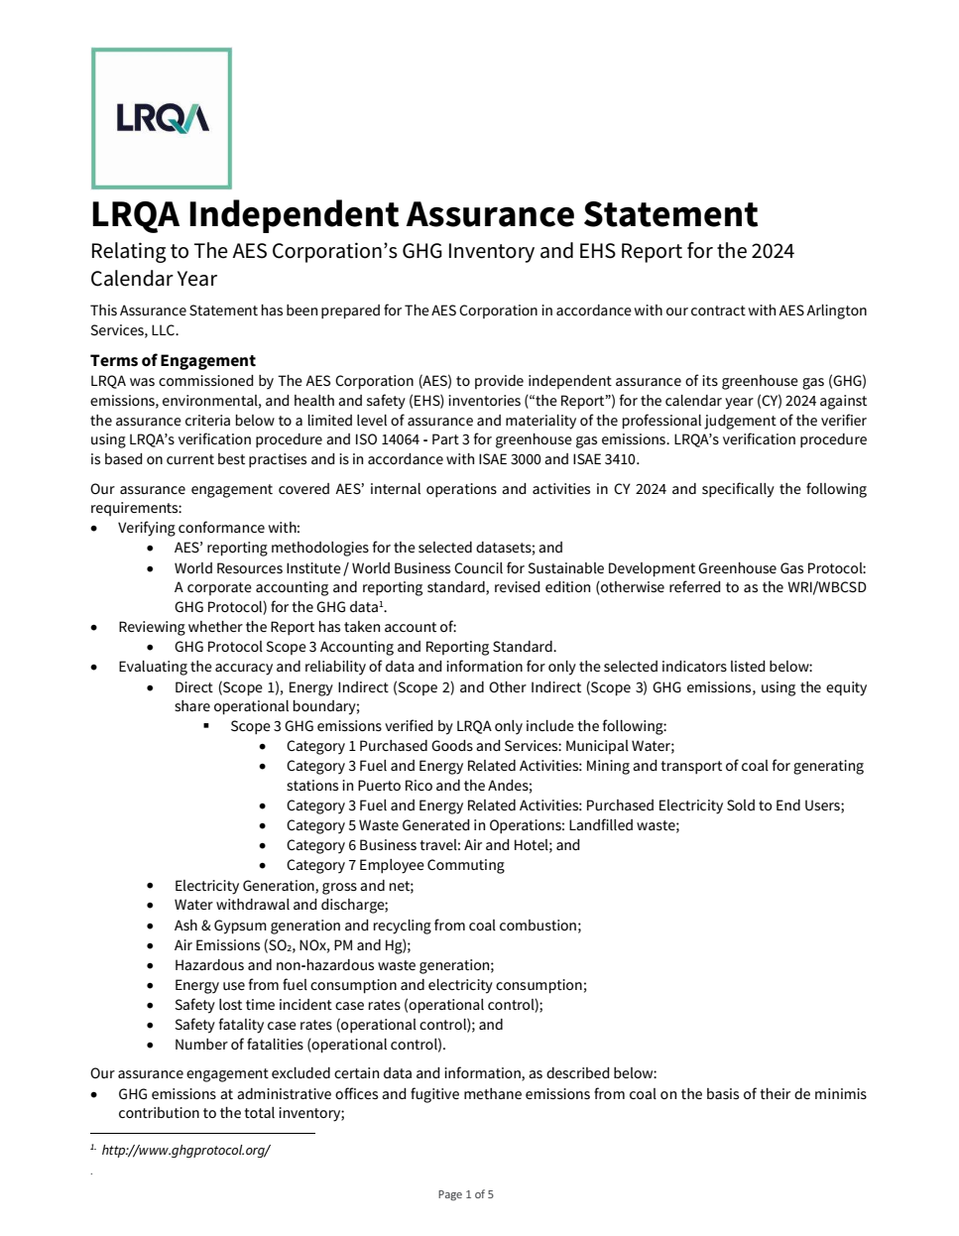

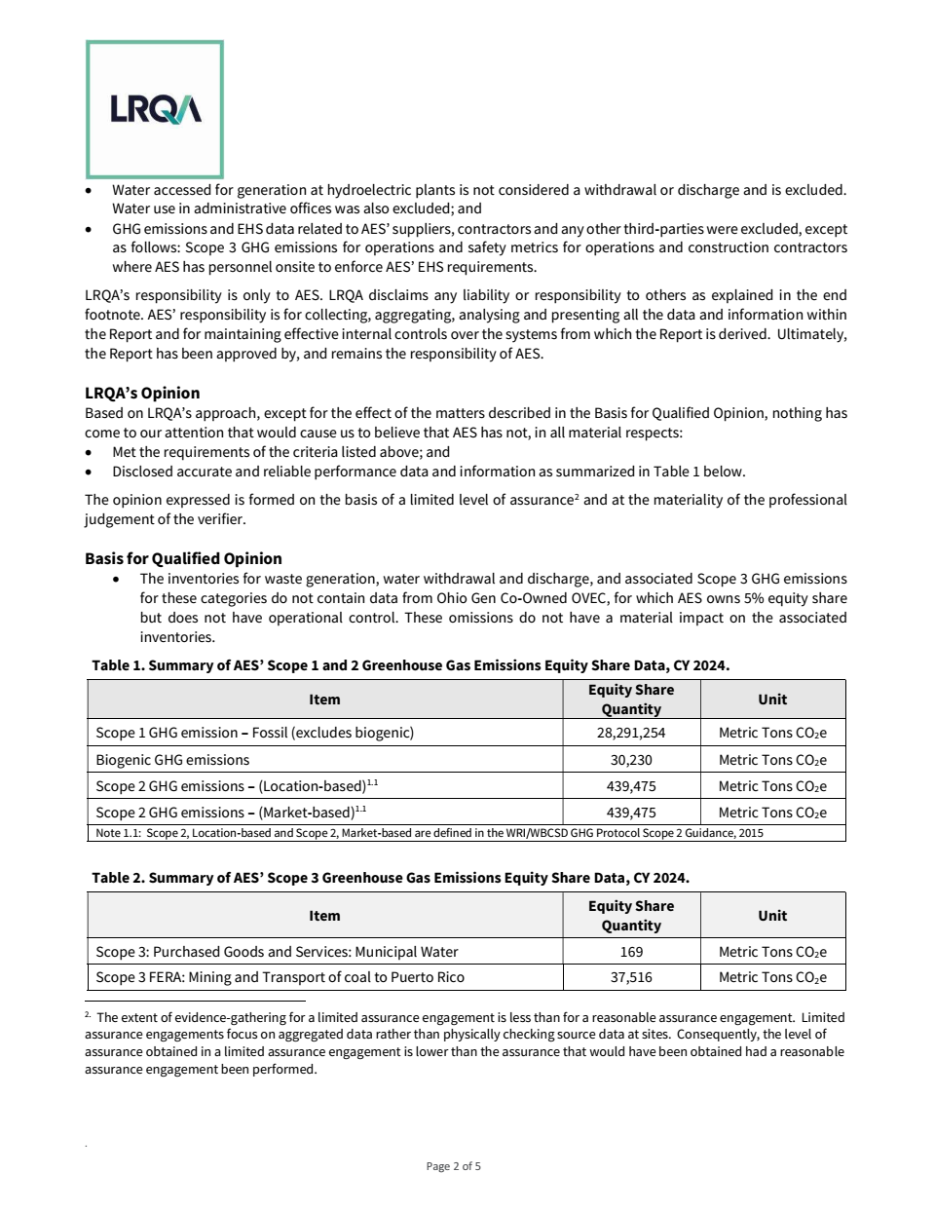
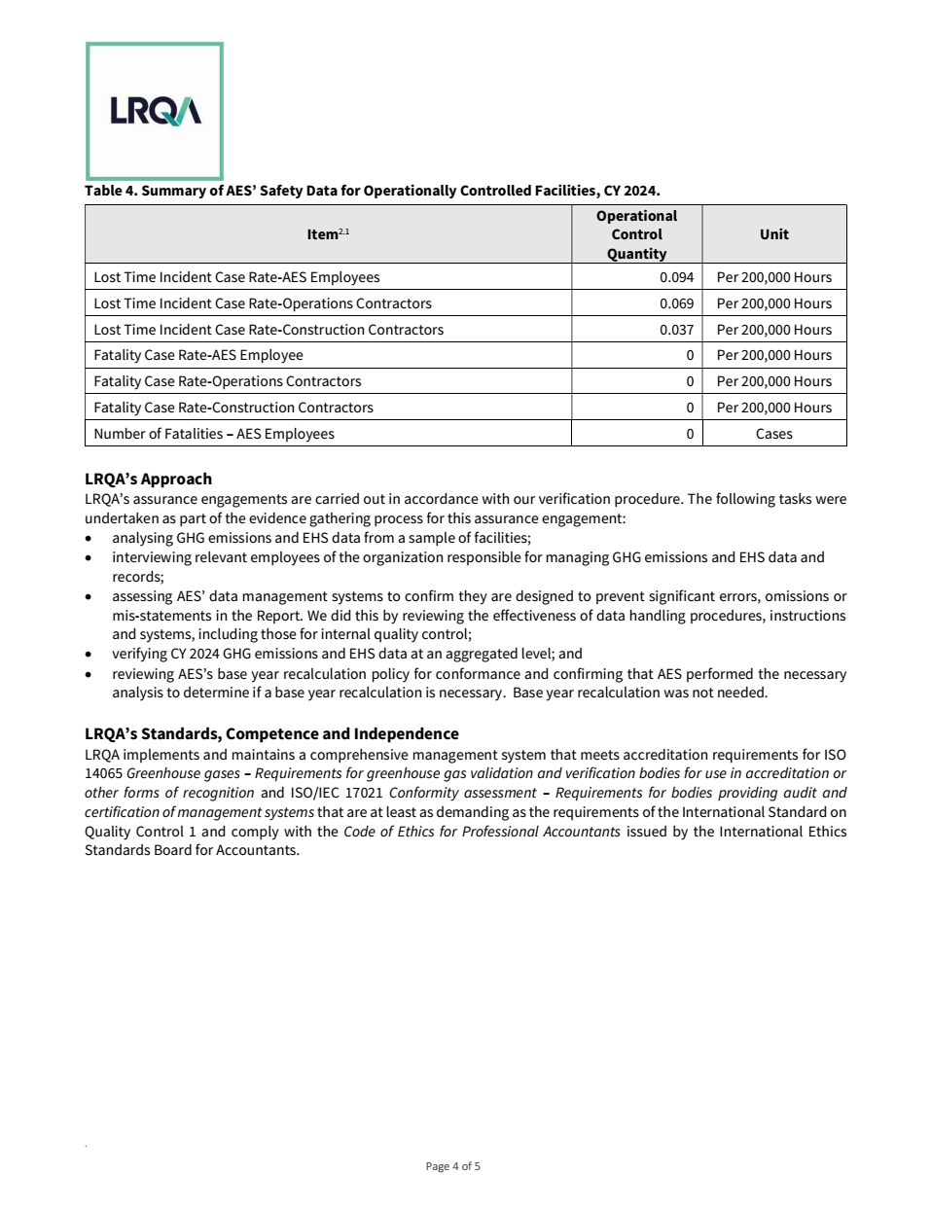

GRI Index
GRI Index
GRI Index
Excel data tables - Sustainability Report 2024
This excel file is a complementary document for the Improving Lives Report 2024 of The AES Corporation.

Go to Home

GRI Index
GRI code | GRI Indicator | Source | Page/ Table
GRI 2 - General Disclosures
2-1 | Organizational details | 2024 Improving Lives Report | Page 7
2-2 | Entities included in the organization’s sustainability reporting | 2024 Improving Lives Report | Page 50
2-3 | Reporting period, frequency and contact point | 2024 Improving Lives Report | Page 50
2-4 | Restatements of information | 2024 Improving Lives Report | Page 50
2-5 | External assurance | 2024 Improving Lives Report | Pages 56-58
 |  | Excel data tables - Sustainability Report 2024 | Assurance Statement
2-6 | Activities, value chain and other business relationships | Excel data tables - Sustainability Report 2024 | Suppliers - Table 1
...

SASB Index
SASB Index
SASB Index
Excel data tables - Sustainability Report 2024
This excel file is a complementary document for the Improving Lives Report 2024 of The AES Corporation.

Go to Home

SASB Index
SASB code | SASB Indicator | Source | Page/Table
Sustainability Disclosure Topics & Metrics
IF-EU-110a.1 | (1) Gross global Scope 1 emissions, percentage covered under (2) emissions-limiting regulations and (3) emissions-reporting regulations | Excel data tables - Sustainability Report 2024 | Emissions - Table 2 and Table 6
IF-EU-110a.2 | Greenhouse gas (GHG) emissions associated with power deliveries | Excel data tables - Sustainability Report 2024 | Emissions - Table 5
IF-EU-110a.3 | Discussion of long- and short-term strategy or plan to manage Scope 1 emissions, emissions reduction targets, and an analysis of performance against those targets | 2024 Improving Lives Report | Pages 37-38
IF-EU-120a.1 | Air emissions of the following pollutants: (1) NO_{x} (excluding N_{2} O), (2) SO_{x} , (3) particulate matter (PM_{10} ), (4) lead (Pb), and (5) mercury (Hg); percentage of each in or near areas of dense population | Excel data tables - Sustainability Report 2024 | Emissions - Table 7
IF-EU-140a.1 | (1) Total water withdrawn, (2) total water consumed; percentage of each in regions with High or Extremely High Baseline Water Stress | Excel data tables - Sustainability Report 2024 | Water - Table 1 and Table 3
IF-EU-140a.2 | Number of incidents of non-compliance associated with water quality permits, standards and regulations | 2024 Improving Lives Report | Page 41
IF-EU-140a.3 | Description of water management risks and discussion of strategies and practices to mitigate those risks | 2024 Improving Lives Report | Page 41
...

